Matching Report 1
Summit Equipment |  |  |  |  |  |  |  |  |  | TOC 20.2.23 1/
Matching Report (PO-GRN-Invoice)
 |  |  |  |  |  |  |  | PBC
Date extracted: 2 May 20x6
|---------------------------------------------------------------------------------------------------------------------------------------------------------------------------------------------- ^ ----------------------------------------------------------------------------------------------------------------------------------------------------------------------------------|
|---- ^ ----|
A
a
A
A
a
A
A
a
A
a
A
a
B
a
B
C
C
C
a
a`
a
a`
a`
a
a
a`
a
a`
a
a`
a
a`
a
a
a`
a
Inventory No. | Inventory Description | Quantity | Unit | Vendor No. | Vendor Name | PO No. | Unit Price | GRN No. | GRN application date | Date Received | APV No. | Invoice No. | Invoice date | Match (Y/N) | Remarks | Resolution
PT-0213 | 1-gal Black Hi-Gloss Enamel Exterior Paint | 25 | cans | 970032650 | Paint n Glide | 487902450 | 29.88 | 34987 | 26 April 20x6 | 25 April 20x6 | 201601173 | 763298 | 2 May 20x6 | Y | GRN application date and receipt date in order
PT-0218 | 1-gal Limo-Scene Satin Enamel Interior Paint | 25 | cans | 970032650 | Paint n Glide | 487902450 | 32.37 | 34987 | 26 April 20x6 | 25 April 20x6 | 201601173 | 763298 | 2 May 20x6 | Y | GRN application date and receipt date in order
a
a
a
a
a
a
PT-0225 | 5-gal 02 Berry Brown Zero VOC Flat Interior Paint | 10 | cans | 970032650 | Paint n Glide | 487902450 | 118 | 34987 | 26 April 20x6 | 25 April 20x6 | 201601173 | 763298 | 2 May 20x6 | Y | GRN application date and receipt date in order
a
a
a
a
a
a
a
a
a
a
BN-0101 | 3" diameter metal Elbow-connectors | 135 | pcs | 970032748 | Metaliks Inc. | 487902435 | 10.15 | 34978 | 25 April 20x6 | 22 April 20x6 | 201601174 | 776809175 | 2 May 20x6 | Y | GRN application date and receipt date in order
a
|----------------
a
a
a
a
a
a
a
23 2/
23 2/
#
BN-0102 | 3" diameter metal T-joints | 135 | pcs | 970032748 | Metaliks Inc. | 487902435 | 9.87 | 34978 | 25 April 20x6 | 22 April 20x6 | 201601174 | 776809175 | 2 May 20x6 | Y | GRN application date and receipt date in order
a
23 3-4/
a
23 2-4/
|----------------
23 2-4/
|----------------
a
a
23 2-4/
|----------------
a
23 2-4/
a
|----------------
23 2-4/
a
|----------------
23 4/
|----------------
a
23 4/
|----------------
|----------------
|----------------
|----------------
BN-0111 | 3.5" stainless prevailing torque lock | 250 | pcs | 970032799 | Bolt Depot | 487902448 | 2.59 | 34985 | 27 April 20x6 | 26 April 20x6 | 201601175 | 5328103 | 2 May 20x6 | Y | GRN application date and receipt date in order
a
a
a
a
a
a
a
a
BN-0115 | 4" stainless K-lock | 250 | pcs | 970032799 | Bolt Depot | 487902448 | 1.53 | 34985 | 27 April 20x6 | 26 April 20x6 | 201601175 | 5328103 | 2 May 20x6 | Y | GRN application date and receipt date in order
a
a
a
a
a
a
a
a
BN-0118 | 4" stainless cap | 250 | pcs | 970032799 | Bolt Depot | 487902448 | 1.49 | 34985 | 27 April 20x6 | 26 April 20x6 | 201601175 | 5328103 | 2 May 20x6 | Y | GRN application date and receipt date in order
a
a
a
a
a
a
a
a
BN-0120 | 3.5" stainless coupling | 250 | pcs | 970032799 | Bolt Depot | 487902448 | 0.79 | 34985 | 27 April 20x6 | 26 April 20x6 | 201601175 | 5328103 | 2 May 20x6 | Y | GRN application date and receipt date in order
a
a
a
a
a
a
PO-0501 | 12 ft x 12 ft replacement poles | 50 | pcs | 970032683 | Campers, Inc. | 487902455 | 39.99 | 34980 | 25 April 20x6 | 25 April 20x6 | 201601176 | 86520913 | 2 May 20x6 | Y | GRN application date and receipt date in order
a
a
PO-0502 | 8 ft x 8 ft replacement poles | 50 | pcs | 970032683 | Campers, Inc. | 487902455 | 29.99 | 34980 | 25 April 20x6 | 25 April 20x6 | 201601176 | 86520913 | 2 May 20x6 | Y | GRN application date and receipt date in order

Note: Inventory No., Inventory Description, Quantity, Unit, Vendor No., Vendor Name, PO No. Unit Price, GRN No. and GRN application date extracted from the inventory module.
|---- ^ ----|
A - Extracted from the inventory module and agreed with the respective PO information in the inventory module and the GRN stamped and signed by the warehouse clerk.
B - GRN No. and date received tied-up with the hardcopy stamped and signed bu the warehouse clerk
C - manually inputted and traced from the AP Voucher list.
EY Note: This workpaper was used to test the control outlined at workpaper TOC 20.2. See TOC 20.2 for documentation of our procedures over this workpaper and the related support in TOC 20.2.23 2/-4/.
*
Prepared by: Dan Kirk 2 May 20x6
EY Tickmark Legend
23 2/: Reperformed agreement with respective AP Invoice list. No exceptions noted. Refer to TOC 20.2.23 2/.
23 4/: Reperformed agreement with respective GRN. No exceptions noted. Refer to TOC 20.2.23 4/
23 3-4/: Reperformed agreement with respective PO and GRN. No exceptions noted. Refer to TOC 20.2.23 3/ and TOC 20.2.23/4
23 2-4/: Reperformed agreement with respective PO, GRN and AP Invoice list. No exceptions noted. Refer to TOC 20.2.23 2/, TOC 20.2.23 3/ and TOC 20.2.23 4/
# : Reperformed check of GRN application date. No exceptions noted.
^ Denotes control owner's performance of review.
*: Noted the signature of preparer and reviewer.
*
Reviewed by: Keith James 3 May 20x6

Inv1
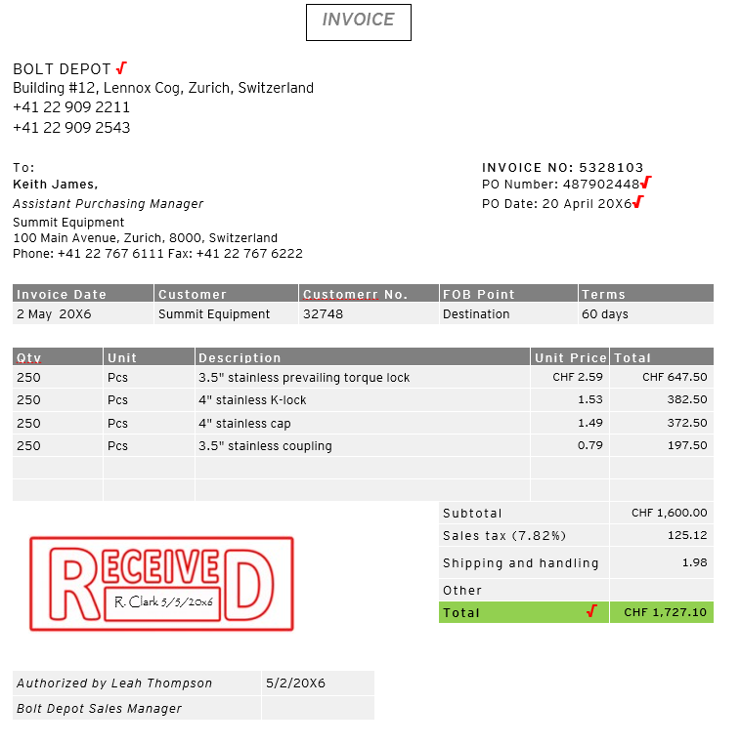
TOC 20.2.23 2/

PBC
23 1/

23 1/
|----------------

23 1/

23 1/
|----------------
23 1/
|----------------
23 1/
|----------------

A

EY Note: This workpaper was used to test the control outlined at workpaper TOC 20.2. See TOC 20.2 for documentation of our procedures over this workpaper and the related support in TOC 20.2.23 2/-4/.

EY Tickmark Legend
23 1/: Reperformed agreement with matching report. No exceptions noted. Refer to TOC 20.2.23 1/.
A: Noted the stamped and signature, indicating date of receipt.

PO1
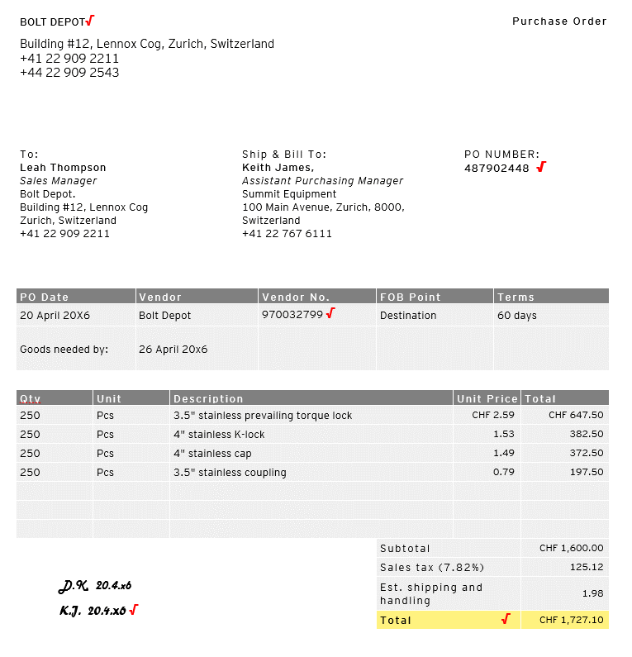
 | TOC 2.23 3/
PBC
23 1/

23 1/

23 1/
23 1/

23 1/
|----------------
23 1/
|----------------

footed

EY Note: This workpaper was used to test the control outlined at workpaper TOC 20.2. See TOC 20.2 for documentation of our procedures over this workpaper and the related support in TOC 20.2.23 2/-4/.

EY Tickmark Legend
23 1/: Reperformed agreement with matching report. No exceptions noted. Refer to TOC 20.2.23 1/.

GRN 1
 | TOC 20.2.23 4/
PBC
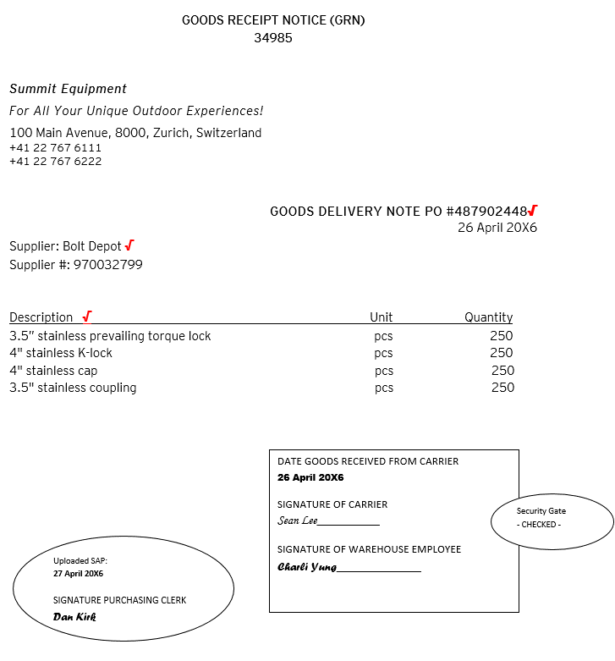
23 1/

23 1/

23 1/

23 1/

23 1/
|----------------
23 1/
|----------------

23 1/

EY Note: This workpaper was used to test the control outlined at workpaper TOC 20.2. See TOC 20.2 for documentation of our procedures over this workpaper and the related support in TOC 20.2.23 2/-4/.

EY Tickmark Legend
23 1/: Reperformed agreement with matching report. No exceptions noted. Refer to TOC 20.2.23 1/.

Matching Report 2
Summit Equipment |  |  |  |  |  |  |  |  |  | TOC 20.2.24 1/
Matching Report (PO-GRN-Invoice)

Date extracted: 25 November 20x6 |  |  |  |  |  |  |  |  | PBC
|-------------------------------------------------------------------------------------------------------------------------------------------------------------------------------------- ^ --------------------------------------------------------------------------------------------------------------------------------------------------------------------------|
|---- ^ ----|
A
|----------------------------
a
A
A
24 2-4/
|------------------------------
A
A
A
24 2-4/
a
A
|------------------------------
24 2-4/
|-------------------------------
a
B
24 4/
|--------------------------------
a
B
24 4/
|------------------------------
C
C
24 2/
|-------------------------------
C
#
a
24 3-4/
24 2-4/
a`
|---------------------------
a
a
24 2-4/
|-----------------------------
a
a`
24 2/
|----------------------------
24 2/
|----------------------------
|----------------------------
a`
a`
a`
a`
a`
a`
Inventory No. | Inventory Description | Quantity | Unit | Vendor No. | Vendor Name | PO No. | Unit Price | GRN No. | GRN application date | Date Received | APV No. | Invoice No. | Invoice date | Match (Y/N) | Remarks | Resolution
PO-0511 | 7.5 feet 2.5" diameter chrome metal poles | 150 | pcs | 970032748 | Metaliks, Inc. | 487902963 | 27.56 | 35356 | 22 November 20x6 | 21 November 20x6 | 201601442 | 776809235 | 25 November 20x6 | Y | GRN application date and receipt date in order
PO-0512 | 7.5 feet 3" diameter chrome metal poles | 150 | pcs | 970032748 | Metaliks, Inc. | 487902963 | 29.86 | 35356 | 22 November 20x6 | 21 November 20x6 | 201601442 | 776809235 | 25 November 20x6 | Y | GRN application date and receipt date in order
a
x
a
a
a
a
a
a
t
PO-0521 | 8 feet 2.5" diameter stainless metal poles | 125 | pcs | 970032748 | Metaliks, Inc. | 487902963 | 32.75 | 35356 | 22 November 20x6 | 21 November 20x6 | 201601442 | 776809235 | 25 November 20x6 | N | GRN application date and receipt date in order. Difference noted on quantity received vs. invoice | Quantity per invoice based on order, instead of actual item received. Credit Memo received for the difference.
a
a
x
a
a
a
a
a
a
a
a
a
PO-0522 | 8 feet 3" diameter stainless metal poles | 125 | pcs | 970032748 | Metaliks, Inc. | 487902963 | 34.75 | 35356 | 22 November 20x6 | 21 November 20x6 | 201601442 | 776809235 | 25 November 20x6 | N | GRN application date and receipt date in order. Difference noted on quantity received vs. invoice
a
a
a
a
a
a
a
a
a
a
a
SU-0330 | 20-degree Classic Sleeping Bag | 10 | pcs | 970032750 | Campers, Inc. | 487902960 | 89.99 | 35353 | 21 November 20x6 | 18 November 20x6 | 201601443 | 543189 | 25 November 20x6 | Y | GRN application date and receipt date in order
a
a
a
a
a
a
a
a
a
SU-0334 | 0-degree Classic Fannel Sleeping Bag | 10 | pcs | 970032750 | Campers, Inc. | 487902960 | 99.99 | 35353 | 21 November 20x6 | 18 November 20x6 | 201601443 | 543189 | 25 November 20x6 | Y | GRN application date and receipt date in order
a
a
a
a
a
a
a
a
SU-0354 | Leisure Impact Adult Basic Quad Chair | 25 | pcs | 970032781 | Ion Mountains, Inc. | 487902965 | 15.90 | 35350 | 18 November 20x6 | 18 November 20x6 | 201601444 | 15389467 | 25 November 20x6 | Y | GRN application date and receipt date in order
a
a
a
a
a
a
a
a
SU-0357 | Folding Steel Director's Chair with Cooler, Black | 25 | pcs | 970032781 | Ion Mountains, Inc. | 487902965 | 59.90 | 35350 | 18 November 20x6 | 18 November 20x6 | 201601444 | 15389467 | 25 November 20x6 | Y | GRN application date and receipt date in order
a
a
SU-0360 | Zero Gravity Padded Lounger, Basic | 25 | pcs | 970032781 | Ion Mountains, Inc. | 487902965 | 48.90 | 35350 | 18 November 20x6 | 18 November 20x6 | 201601444 | 15389467 | 25 November 20x6 | Y | GRN application date and receipt date in order

Note: Inventory No., Inventory Description, Quantity, Unit, Vendor No., Vendor Name, PO No. Unit Price, GRN No. and GRN application date extracted from the inventory module.
|---- ^ ----|
EY Note: This workpaper was used to test the control outlined at workpaper TOC 20.2. See TOC 20.2 for documentation of our procedures over this workpaper and the related support in TOC 20.2.24. 2/-4/.
A - Extracted from the inventory module and agreed with the respective PO information in the inventory module and the GRN stamped and signed by the warehouse clerk.
B - GRN No. and date received tied-up with the hardcopy stamped and signed bu the warehouse clerk
C - manually inputted and traced from the AP Voucher list.
*
EY Tickmark Legend
24 2/: Reperformed agreement with respective AP Invoice list. No exceptions noted. Refer to TOC 20.2.24 2/.
24 4/: Reperformed agreement with respective GRN. No exceptions noted. Refer to TOC 20.2.24 4/
24 3-4/: Reperformed agreement with respective PO and GRN. No exceptions noted. Refer to TOC 20.2.24 3/ and TOC 20.2.24 4/
24 2-4/: Reperformed agreement with respective PO, GRN and AP Invoice list. No exceptions noted. Refer to TOC 20.2.24 2/, TOC 20.2.24 3/ and TOC 20.2.24 4/
# : Reperformed check of GRN application date. No exceptions noted.
t: Inquired with the assistant purchasing manager the resolution of exception noted and inspected the credit memo issued by the supplier as evidence of resolution. No exceptions noted. Refer to TOC 20.2.24 5/
^ Denotes control owner's performance of review.
*: noted the signature of preparer and reviewer.
Prepared by: Dan Kirk 25 November 20x6
*
Reviewed by: Keith James 29 November 20x6

Inv2
TOC 20.2.24 2/
PBC
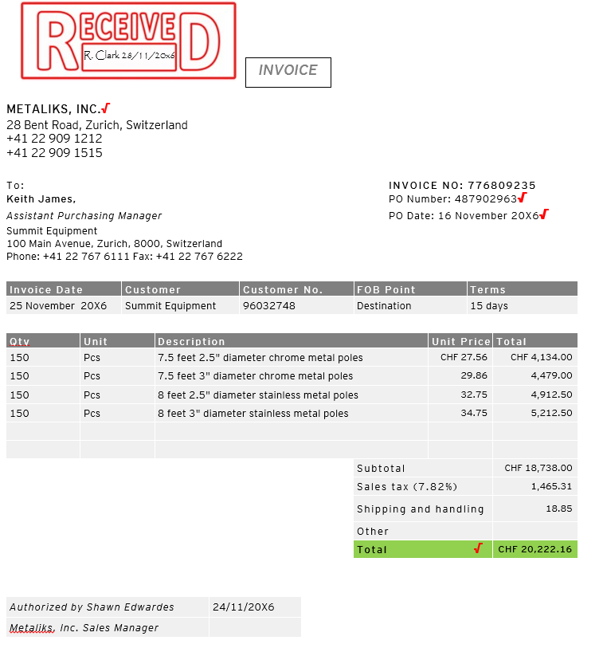
A

a`
a
a
24 1/
a

24 1/
|----------------

24 1/

24 1/
|----------------
24 1/
|-------------------
24 1/
|------------------

@
|----------------

EY Note: This workpaper was used to test the control outlined at workpaper TOC 20.2. See TOC 20.2 for documentation of our procedures over this workpaper and the related support in TOC 20.2.24 2/-5/.

EY Tickmark Legend
24 1/: Reperformed agreement with matching report. No exceptions noted. Refer to TOC 20.2.24 1/.
@: Difference noted between invoice and matching report (PO-GRN), as noted also by the purchase clerk. Resolution made by the assistant purchase manager. Refer also TOC 20.2.24 1/
A: Noted the stamped and signature, indicating date of receipt.

PO2
24 1/
 |  |  |  |  |  |  |  | TOC 20.2.24 3/
 |  |  |  |  |  | PBC
METALIKS, INC. √ |  |  |  |  |  | Purchase Order
28 Bent Road, Zurich, Switzerland
+41 22 909 1212
+41 22 909 1515

24 1/
To: |  |  |  | Ship & Bill To: |  |  |  |  |  | PO Number:
Shawn Edwardes |  |  |  | Keith James, |  |  |  |  |  | 487902963 √
Sales Manager |  |  |  | Assistant Purchasing Manager
Metaliks, Inc. |  |  |  | Summit Equipment
28 Bent Road |  |  |  | 100 Main Avenue, Zurich, 8000, Switzerland
Zurich, Switzerland |  |  |  | +41 22 767 6111
+41 22 909 2211

24 1/
24 1/
PO Date |  | Vendor |  |  | Vendor No. |  |  | FOB Point |  |  | Terms
16 November 20X6 |  | Metaliks, Inc. |  |  | 970032748 √ |  |  | Destination |  |  | 15 days
Goods needed by: |  | 22 November 20x6

24 1/
|------------------
24 1/
|------------------
24 1/
|----------------
Qty | Unit |  | Description |  |  |  |  |  | Unit Price |  |  | Total
150 | Pcs |  | 7.5 feet 2.5" diameter chrome metal poles |  |  |  |  |  | CHF 27.56 |  |  | CHF 4,134.00
150 | Pcs |  | 7.5 feet 3" diameter chrome metal poles |  |  |  |  |  | 29.86 |  |  | 4,479.00
|----------------
@
150 | Pcs |  | 8 feet 2.5" diameter stainless metal poles |  |  |  |  |  | 32.75 |  |  | 4,912.50
150 | Pcs |  | 8 feet 3" diameter stainless metal poles |  |  |  |  |  | 34.75 |  |  | 5,212.50

 |  |  |  |  |  |  | Subtotal |  |  |  |  | CHF 18,738.00
 |  |  |  |  |  |  | Sales tax (7.82%) |  |  |  |  | 1,465.31
D.K. 16.11.x6 |  |  |  |  |  |  | Est. shipping and handling |  |  |  |  | 18.85
footed
K.J. 16.11.x6 √ |  |  |  |  |  |  | Total √ |  |  |  |  | CHF 20,222.16

EY Note: This workpaper was used to test the control outlined at workpaper TOC 20.2. See TOC 20.2 for documentation of our procedures over this workpaper and the related support in TOC 20.2.24 2/-5/.

EY Tickmark Legend
24 1/: Reperformed agreement with matching report. No exceptions noted. Refer to TOC 20.2.24 1/.
@: Difference noted between PO and matching report due to order change not reflected in the hard copy PO. Exception resolved accordingly. Refer to TOC 20.2.24 1/

GRN 2
 | TOC 20.2.23 4/
PBC
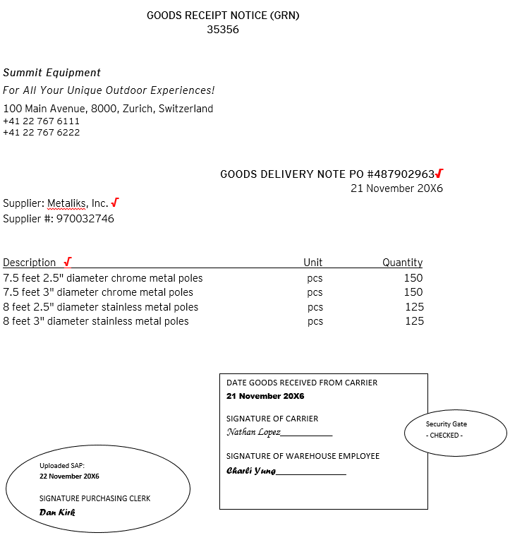
24 1/

24 1/

24 1/

24 1/
|----------------
24 1/
|----------------

24 1/

EY Note: This workpaper was used to test the control outlined at workpaper TOC 20.2. See TOC 20.2 for documentation of our procedures over this workpaper and the related support in TOC 20.2.24 2/-5/.

EY Tickmark Legend
24 1/: Reperformed agreement with matching report. No exceptions noted. Refer to TOC 20.2.24 1/.

CM
 | TOC 20.2.24 5/
PBC
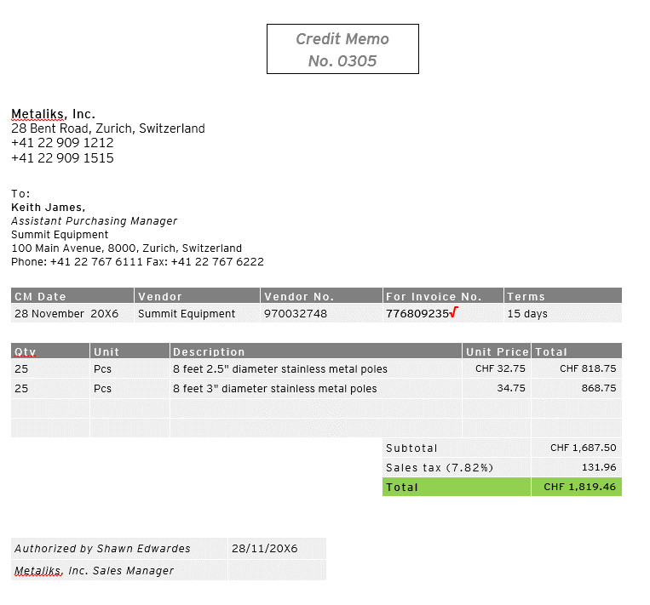

24 1/

24 1/

X
|----------------
X
|----------------

EY Note: This workpaper was used to test the control outlined at workpaper TOC 20.2. See TOC 20.2 for documentation of our procedures over this workpaper and the related support in TOC 20.2.24 2/-5/.

EY Tickmark Legend
24 1/: Reperformed agreement with matching report. No exceptions noted. Refer to TOC 20.2.24 1/.
X: Noted that the quantity ties up with the difference between the goods delivered and the quantity per invoice. Unit price agrees with the price per matching report.

Matching Report 3
Summit Equipment |  |  |  |  |  |  |  |  |  | TOC 20.2.25 1/
Matching Report (PO-GRN-Invoice)
 |  |  |  |  |  |  |  |  | PBC
Date extracted: 14 March 20x6
|------------------------------------------------------------------------------------------------------------------------------------------------------------------------------------------------ ^ ------------------------------------------------------------------------------------------------------------------------------------------------------------------------------------|
|---- ^ ----|
A
a
A
A
A
A
A
a
A
a
B
a
B
C
C
C
a
a`
a
a
a
a`
a`
a
a
a`
a`
a
a`
a
a`
a
a
a`
a
Inventory No. | Inventory Description | Quantity | Unit | Vendor No. | Vendor Name | PO No. | Unit Price | GRN No. | GRN application date | Date Received | APV No. | Invoice No. | Invoice date | Match (Y/N) | Remarks | Resolution
BN-0153 | 1/4"-20 Stainless Steel Course Thread U-bolt | 140 | pcs. | 970032696 | Bolten Company | 487902350 | 5.99 | 33875 | 8 March 20x6 | 7 March 20x6 | 201601109 | 438906555 | 14 March 20x6 | Y | GRN application date and receipt date in order
BN-0155 | 5/16"-18 Stainless Steel Course thread U-bolt | 140 | pcs. | 970032696 | Bolten Company | 487902350 | 8.99 | 33875 | 8 March 20x6 | 7 March 20x6 | 201601109 | 438906555 | 14 March 20x6 | Y | GRN application date and receipt date in order
a
a
a
a
a
BN-0160 | 3/8"-16 Stainless Steel Course Thread U-bolt | 140 | pcs. | 970032696 | Bolten Company | 487902350 | 7.50 | 33875 | 8 March 20x6 | 7 March 20x6 | 201601109 | 438906555 | 14 March 20x6 | Y | GRN application date and receipt date in order
a
a
a
a
a
a
a
a
a
a
a
PO-0531 | 8" Aluminum Tent Pole Push Button | 50 | pcs. | 970032748 | Metaliks, Inc. | 487902355 | 12.99 | 33882 | 10 March 20x6 | 9 March 20x6 | 201601110 | 776808875 | 14 March 20x6 | Y | GRN application date and receipt date in order
a
a
a
a
a
a
a
a
PO-0533 | 8" Aluminum Tent Pole Pin Lock | 50 | pcs. | 970032748 | Metaliks, Inc. | 487902355 | 13.99 | 33882 | 10 March 20x6 | 9 March 20x6 | 201601110 | 776808875 | 14 March 20x6 | Y | GRN application date and receipt date in order
a
a
a
25 2-4/
|----------------
a
25 2-4/
a
25 2-4/
a
25 2-4/
a
25 4/
|-----------------
|----------------
a
25 4/
25 2/
25 2/
|----------------
25 2/
#
PO-0534 | Tex Sport Adjustable Tent Pole | 50 | pcs. | 970032748 | Metaliks, Inc. | 487902355 | 17.96 | 33882 | 10 March 20x6 | 9 March 20x6 | 201601110 | 776808875 | 14 March 20x6 | Y | GRN application date and receipt date in order
a
25 3-4/
|----------------
25 2-4/
a
|----------------
a
a
|----------------
a
a
|------------------
a
a
|----------------
|----------------
|----------------
|----------------
SH-0425 | 8 feet by 8 feet 2" wide designer metal sheets | 80 | pcs. | 970032795 | Pole World Co. | 487902356 | 25.35 | 33879 | 9 March 20x6 | 8 March 20x6 | 201601111 | 635498-A | 14 March 20x6 | Y | GRN application date and receipt date in order
a
a
a
a
a
a
a
a
SH-0430 | 10 feet by 10 feet 2" wide designer metal sheets | 80 | pcs. | 970032795 | Pole World Co. | 487902356 | 28.35 | 33879 | 9 March 20x6 | 8 March 20x6 | 201601111 | 635498-A | 14 March 20x6 | Y | GRN application date and receipt date in order
a
a
a
a
a
a
a
a
PT-0220 | 5-gal Gray Hi-gloss Enamel exterior paint | 125 | can | 970032650 | Paint n Glide | 487902347 | 45.50 | 33876 | 8 March 20x6 | 7 March 20x6 | 201601112 | 763412 | 14 March 20x6 | Y | GRN application date and receipt date in order
a
a
a
a
a
SU-0365 | Nightfall Air Sleeping Pad | 50 | pcs. | 970032781 | Ion Mountains, Inc. | 487902345 | 49.88 | 33885 | 10 March 20x6 | 9 March 20x6 | 201601113 | 15388845 | 14 March 20x6 | Y | GRN application date and receipt date in order
a
a
a
a
SU-0373 | Double Z Insulated Air Mattress | 50 | pcs. | 970032781 | Ion Mountains, Inc. | 487902345 | 125.15 | 33885 | 10 March 20x6 | 9 March 20x6 | 201601113 | 15388845 | 14 March 20x6 | Y | GRN application date and receipt date in order

Note: Inventory No., Inventory Description, Quantity, Unit, Vendor No., Vendor Name, PO No. Unit Price, GRN No. and GRN application date extracted from the inventory module.
|---- ^ ----|
EY Note: This workpaper was used to test the control outlined at workpaper TOC 20.2. See TOC 20.2 for documentation of our procedures over this workpaper and the related support in TOC 20.2.25 2/-4/.
EY Tickmark Legend
25 2/: Reperformed agreement with respective AP Invoice list. No exceptions noted. Refer to TOC 20.2.25 2/.
25 4/: Reperformed agreement with respective GRN. No exceptions noted. Refer to TOC 20.2.25 4/
25 3-4/: Reperformed agreement with respective PO and GRN. No exceptions noted. Refer to TOC 20.2.25 3/ and TOC 20.2.25/4
25 2-4/: Reperformed agreement with respective PO, GRN and AP Invoice list. No exceptions noted. Refer to TOC 20.2.25 2/, TOC 20.2.25 3/ and TOC 20.2.25 4/
# : Reperformed check of GRN application date. No exceptions noted.
^ Denotes control owner's performance of review.
*: noted the signature of preparer and reviewer.
A - Extracted from the inventory module and agreed with the respective PO information in the inventory module and the GRN stamped and signed by the warehouse clerk.
B - GRN No. and date received tied-up with the hardcopy stamped and signed bu the warehouse clerk
C - manually inputted and traced from the AP Voucher list.
*
Prepared by: Dan Kirk 14 March 20x6
*
Reviewed by: Keith James 15 March 20x6

Inv3
TOC 20.2.25 2/

PBC
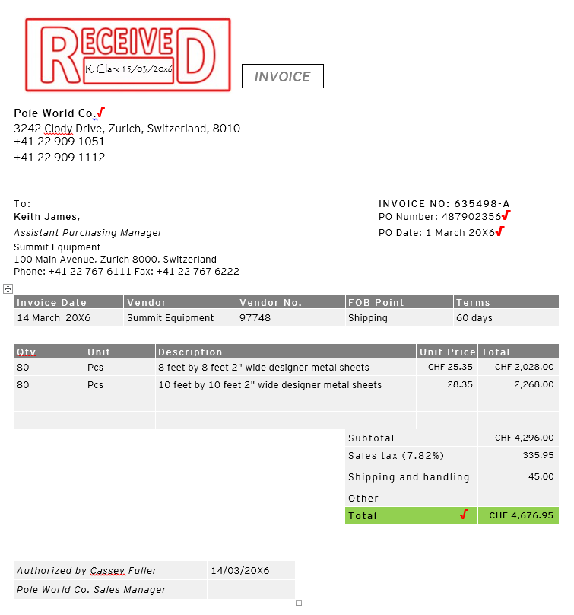
A
a
a
a`
a
a
a
a
a
25 1/

25 1/
|----------------

25 1/

25 1/
|----------------
25 1/
25 1/
|----------------
|----------------

EY Note: This workpaper was used to test the control outlined at workpaper TOC 20.2. See TOC 20.2 for documentation of our procedures over this workpaper and the related support in TOC 20.2.25 2/-4/.

EY Tickmark Legend
25 1/: Reperformed agreement with matching report. No exceptions noted. Refer to TOC 20.2.25 1/.
A: Noted the stamped and signature, indicating date of receipt.

PO3
 |  |  |  |  |  |  | TOC 20.2.25 3/
 |  |  |  |  | PBC
25 1/
Pole World Co. √ |  |  |  |  |  | Purchase Order
3242 Clody Drive, Zurich, Switzerland, 8010
+41 22 909 1051
+41 22 909 1112

25 1/
To: |  |  |  | Ship & Bill To: |  |  |  |  |  | PO Number:
Alberta Irving |  |  |  | Keith James, |  |  |  |  |  | 487902356 √
Sales Manager |  |  |  | Assistant Purchasing Manager
Pole World Co. |  |  |  | Summit Equipment
3242 Clody Drive, 8010 |  |  |  | 100 Main Avenue, Zurich, 8000, Switzerland
Zurich, Switzerland |  |  |  | +41 22 767 6111
+41 22 909 1051

25 1/
25 1/
PO Date |  | Vendor |  |  | Vendor No. |  |  | FOB Point |  |  | Terms
1 March 20X6 |  | Pole World Co. |  |  | 970032795 √ |  |  | Shipping |  |  | 60 days
Goods needed by: |  | 8 March 20x6

25 1/
|----------------
25 1/
|----------------
25 1/
|----------------
Qty | Unit |  | Description |  |  |  |  |  | Unit Price |  |  | Total
80 | Pcs |  | 8 feet by 8 feet 2" wide designer metal sheets |  |  |  |  |  | CHF 25.35 |  |  | CHF 2,028.00
80 | Pcs |  | 10 feet by 10 feet 2" wide designer metal sheets |  |  |  |  |  | 28.35 |  |  | 2,268.00

 |  |  |  |  |  |  | Subtotal |  |  |  |  | CHF 4,296.00
 |  |  |  |  |  |  | Sales tax (7.82%) |  |  |  |  | 335.95
D.K. 1.3.x6 |  |  |  |  |  |  | Est. shipping and handling |  |  |  |  | 45
footed
K.J. 1.3.x6 √ |  |  |  |  |  |  | Total √ |  |  |  |  | CHF 4,676.95
EY Note: This workpaper was used to test the control outlined at workpaper TOC 20.2. See TOC 20.2 for documentation of our procedures over this workpaper and the related support in TOC 20.2.25 2/-4/.

EY Tickmark Legend
25 1/: Reperformed agreement with matching report. No exceptions noted. Refer to TOC 20.2.25 1/.

GRN 3
 | TOC 20.2.25 4/
PBC

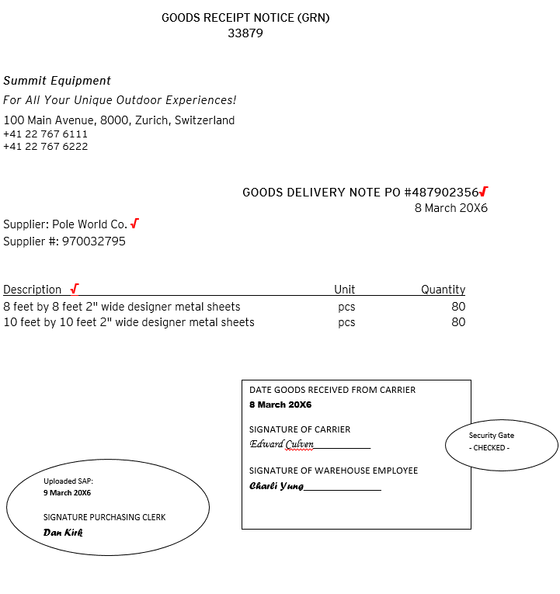
25 1/

25 1/

25 1/

24 1/
25 1/
|----------------

25 1/

EY Note: This workpaper was used to test the control outlined at workpaper TOC 20.2. See TOC 20.2 for documentation of our procedures over this workpaper and the related support in TOC 20.2.25 2/-5/.

EY Tickmark Legend
25 1/: Reperformed agreement with matching report. No exceptions noted. Refer to TOC 20.2.25 1/.

